utility users tax
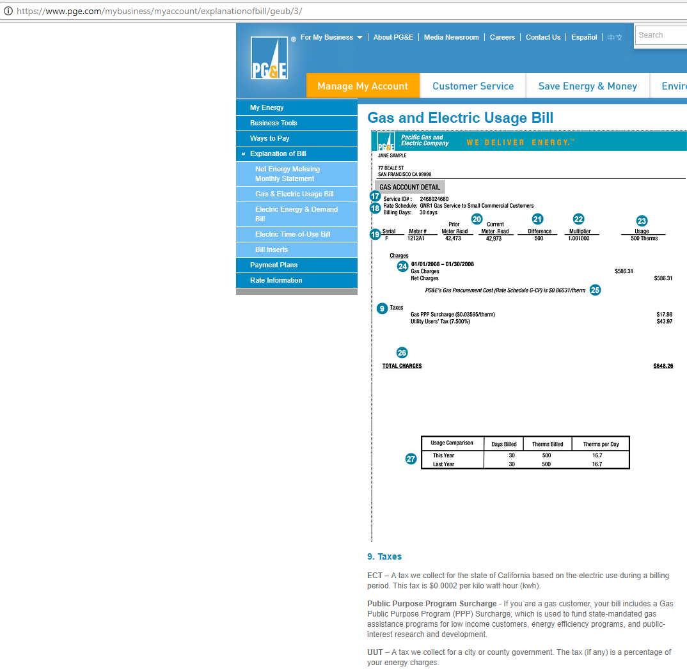
Utility Users Tax
The average rate (mean) is 5.4 percent with a standard deviation

http://www.californiacityfinance.com/UUTfacts17.pdf

The bill below shows separate application of this and the PPP surcharge on gas. That approach is carried through the calculations.

natural gas PPP surcharge
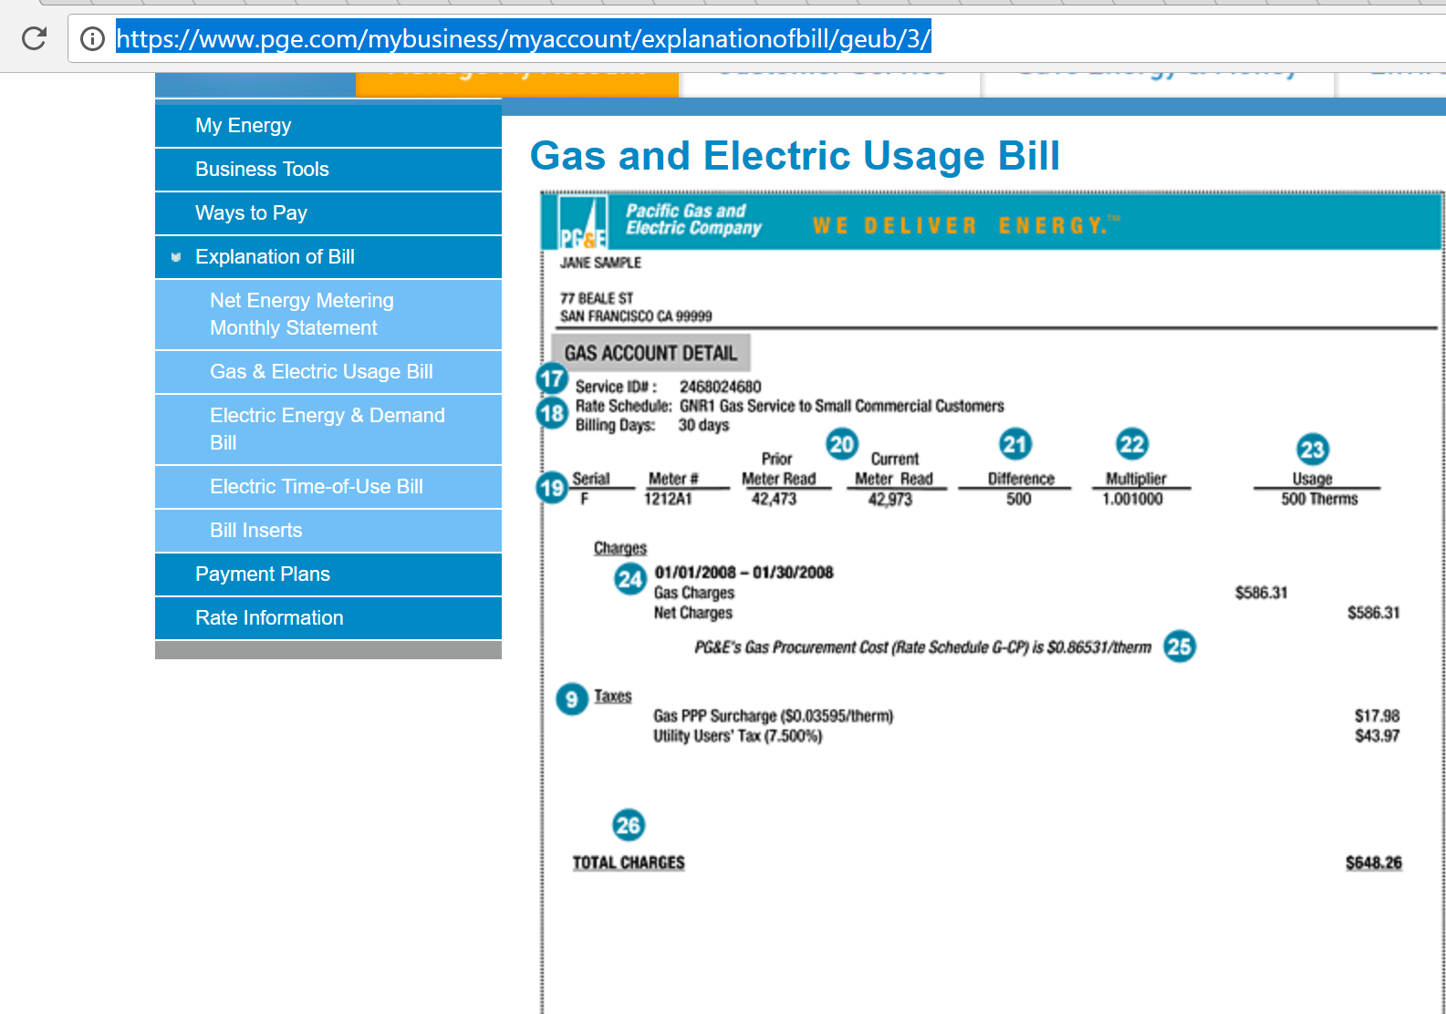
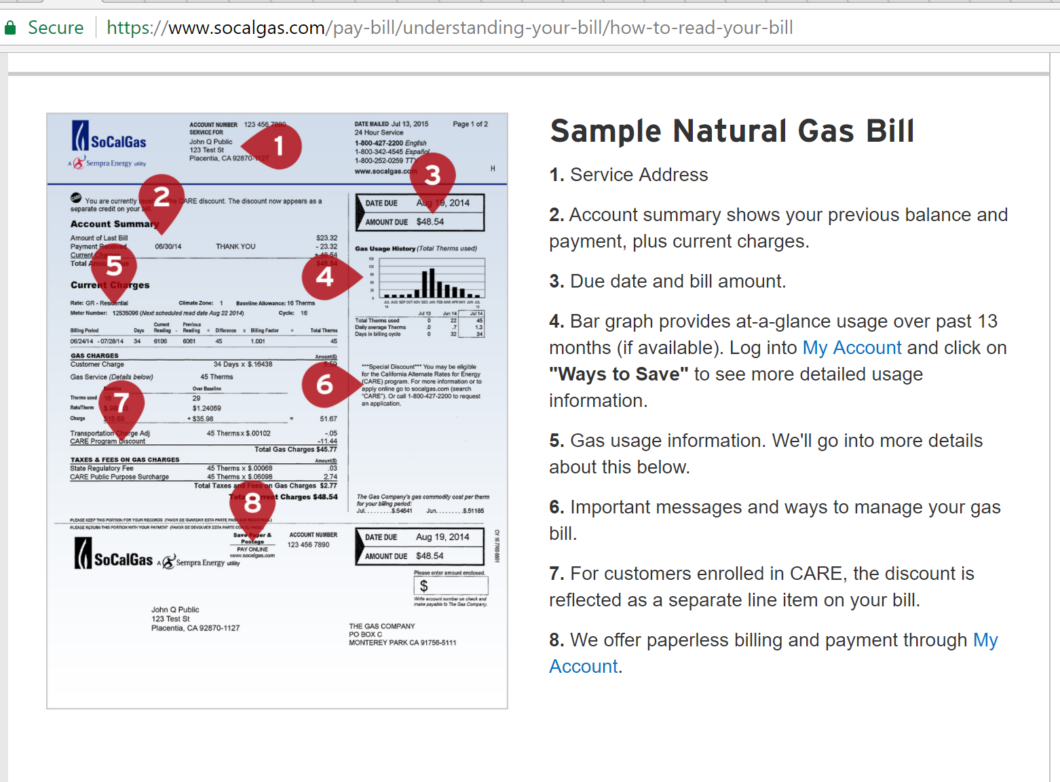
http://www.cpuc.ca.gov/uploadedFiles/CPUCWebsite/Content/About_Us/Organization/Divisions/Office_of_Governmental_Affairs/Legislation/2017/AB67_Leg_Report_PDF_Final_5-5-17.pdf

E3 provides delivered costs and not price, per se. Therefore, appropriate to add the PPP on top of the delivered costs estimate as a fraction of the core procurement and delivery costs.
Transportation refers to delivery costs for the distribution network.

first sum up to get a longer term tendency for the variable
 | in millions |  |  |  |  | five year average
core | 2697 | 2933 | 3553 | 2372 | 2054
trans | 3994 | 4371 | 4788 | 5391 | 6753
ppp | 625 | 551 | 582 | 670 | 640
ppp as fraction of total | 0.085429196282 | 0.070146403565 | 0.065224700213 | 0.079449780624 | 0.06774637451 | 0.073599291039

gasoline-diesel tax details
Feb-18
https://www.eia.gov/petroleum/marketing/monthly/xls/fueltaxes.xls

 | Gasoline |  |  |  | Diesel
 | State tax | Other taxes & Fees[2] | Total State[3] | State & Federal | State tax | Other taxes & Fees[2] | Total State[3] | State & Federal | Notes
Average state tax | $0.2418 | $0.0478 | $0.2831 | $0.4671 | $0.2529 | $0.0469 | $0.2933 | 0.5373
California[4] | 0.417 | 0.0716 | 0.4886 | 0.6726 | 0.36 | 0.2716 | 0.6316 | 0.8756 | 2.25% state sales tax on gasoline, 13.00% state sales tax on diesel (prepaid rates for these sales taxes: gasoline $0.05/gal; diesel $0.25/gal). Additional District sales taxes may apply. State Underground Storage Tank fee (all products): $0.02/gal. Oil Spill Prevention and Administration Fee (all products): $0.065 per barrel ($0.00155/gal).

2017 value reduced by 12 cents for gasoline and 20 cents for diesel fuel.

http://www.sandiegouniontribune.com/business/energy-green/sd-fi-california-gastax-20170413-story.html

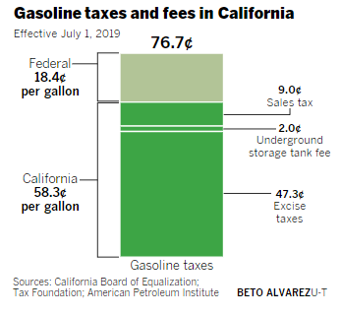

 | How much more in tax will I have to pay on gas?
 | The state excise tax on gasoline increases today by 12 cents per gallon, going from 29.7 cents per gallon to 41.7 cents per gallon. The state sales tax on gasoline will remain at 2.25%.
 | What about diesel fuel?
 | The state excise tax on diesel fuel increases by 20 cents, going from 16 cents per gallon to 36 cents per gallon. The sales tax rate on diesel will increase from 9% to 13%.

 | https://www.boe.ca.gov/taxprograms/excise_gas_tax.htm

gas calculations
 | 2016 | 2017 | 2018 | 2019 | 2020 | 2021 | 2022 | 2023 | 2024 | 2025 | 2026 | 2027 | 2028 | 2029 | 2030 | 2031 | 2032 | 2033 | 2034 | 2035 | 2036 | 2037 | 2038 | 2039 | 2040 | 2041 | 2042 | 2043 | 2044 | 2045 | 2046 | 2047 | 2048 | 2049 | 2050
price in $/gallon | 2.782 | 3.08 | 3.1008663124 | 3.1237468486 | 3.176861938 | 3.2352672209 | 3.2820171151 | 3.3279583339 | 3.372850919 | 3.4320710754 | 3.4895758956 | 3.5509362244 | 3.6277090687 | 3.6994589381 | 3.7709107365 | 3.8433727138 | 3.9355003073 | 4.0290014697 | 4.1189497683 | 4.2119891251 | 4.3058829731 | 4.3886459443 | 4.4906417421 | 4.6065547464 | 4.7098695764 | 4.8162147824 | 4.9247259079 | 5.0354470668 | 5.148423271 | 5.2637004465 | 5.3813254581 | 5.5013461226 | 5.623811235 | 5.7487705783 | 5.8763250887
Transportation Sector Price ($/GJ) | 17.928214249 | 18.885450228 | 19.013394937 | 19.153690141 | 19.479372731 | 19.837492881 | 20.124146388 | 20.405841388 | 20.681106544 | 21.044223205 | 21.396822043 | 21.77306147 | 22.243804889 | 22.683749236 | 23.121865918 | 23.566176654 | 24.131069862 | 24.7043853 | 25.255915857 | 25.82639967 | 26.402122914 | 26.909595633 | 27.534997114 | 28.245733891 | 28.879223203 | 29.531293688 | 30.196644812 | 30.875547064 | 31.568276441 | 32.275114544 | 32.996348733 | 33.732272203 | 34.483184146 | 35.249389814 | 36.031508112
state and federal taxes | 0.55255 | 0.67255 | 0.67255 | 0.67255 | 0.67255 | 0.67255 | 0.67255 | 0.67255 | 0.67255 | 0.67255 | 0.67255 | 0.67255 | 0.67255 | 0.67255 | 0.67255 | 0.67255 | 0.67255 | 0.67255 | 0.67255 | 0.67255 | 0.67255 | 0.67255 | 0.67255 | 0.67255 | 0.67255 | 0.67255 | 0.67255 | 0.67255 | 0.67255 | 0.67255 | 0.67255 | 0.67255 | 0.67255 | 0.67255 | 0.67255
% of taxes | 0.19861610352 | 0.21836038961 | 0.2168910015 | 0.21530233806 | 0.21170262137 | 0.20788081913 | 0.20491971139 | 0.2020908715 | 0.19940104563 | 0.19596039395 | 0.19273115706 | 0.18940075448 | 0.18539248525 | 0.18179685496 | 0.1783521401 | 0.17498953396 | 0.17089313873 | 0.16692721635 | 0.16328191355 | 0.1596751511 | 0.15619328351 | 0.15324772345 | 0.14976701296 | 0.14599848195 | 0.14279588619 | 0.13964285863 | 0.13656597597 | 0.13356311586 | 0.1306322275 | 0.12777132871 | 0.12497850302 | 0.12225189708 | 0.11958971806 | 0.11699023136 | 0.11445078171

Cost in national model | Cost per BTU petroleum gasoline in E3
2.020E-05 | 1.630744018E-05

Lower value in California contradicts reality and brings to fore the difference between price and cost (technically "Delivered Final Energy Cost")
The E3 data do not reflect the retail price but rather production cost.
This is less problematic for natural gas and electricity given the rate of return regulation which largely dictates

https://www.eia.gov/dnav/pet/hist/LeafHandler.ashx?n=pet&s=emm_epm0_pte_nus_dpg&f=a |  |  |  |  |  |  |  |  |  |  | https://www.eia.gov/dnav/pet/pet_pri_gnd_dcus_sca_a.htm

Back to Contents | Data 1: U.S. All Grades All Formulations Retail Gasoline Prices (Dollars per Gallon) |  |  |  |  |  |  |  |  |  | Back to Contents | Data 1: California Gasoline and Diesel Retail Prices
Sourcekey | EMM_EPM0_PTE_NUS_DPG |  |  |  |  |  |  |  |  |  | Sourcekey | EMM_EPM0_PTE_SCA_DPG
Date | U.S. All Grades All Formulations Retail Gasoline Prices (Dollars per Gallon) |  |  |  |  |  |  |  |  |  | Date | California All Grades All Formulations Retail Gasoline Prices (Dollars per Gallon)
1993-06-30
1994-06-30 | 1.078
1995-06-30 | 1.158 |  |  |  |  |  |  |  |  |  | 1995-06-30
1996-06-30 | 1.245 |  |  |  |  |  |  |  |  |  | 1996-06-30
1997-06-30 | 1.244 |  |  |  |  |  |  |  |  |  | 1997-06-30
1998-06-30 | 1.072 |  |  |  |  |  |  |  |  |  | 1998-06-30
1999-06-30 | 1.176 |  |  |  |  |  |  |  |  |  | 1999-06-30
2000-06-30 | 1.523 |  |  |  |  |  |  |  |  |  | 2000-06-30
2001-06-30 | 1.46 |  |  |  |  |  |  |  |  |  | 2001-06-30 | 1.677
2002-06-30 | 1.386 |  |  |  |  |  |  |  |  |  | 2002-06-30 | 1.561
2003-06-30 | 1.603 |  |  |  |  |  |  |  |  |  | 2003-06-30 | 1.878
2004-06-30 | 1.895 |  |  |  |  |  |  |  |  |  | 2004-06-30 | 2.166
2005-06-30 | 2.314 |  |  |  |  |  |  |  |  |  | 2005-06-30 | 2.517
2006-06-30 | 2.618 |  |  |  |  |  |  |  |  |  | 2006-06-30 | 2.855
2007-06-30 | 2.843 |  |  |  |  |  |  |  |  |  | 2007-06-30 | 3.124
2008-06-30 | 3.299 |  |  |  |  |  |  |  |  |  | 2008-06-30 | 3.561
2009-06-30 | 2.406 |  |  |  |  |  |  |  |  |  | 2009-06-30 | 2.725
2010-06-30 | 2.835 |  |  |  |  |  |  |  |  |  | 2010-06-30 | 3.138
2011-06-30 | 3.576 |  |  |  |  |  |  |  |  |  | 2011-06-30 | 3.863
2012-06-30 | 3.68 |  |  |  |  |  |  |  |  |  | 2012-06-30 | 4.081
2013-06-30 | 3.575 |  |  |  |  |  |  |  |  |  | 2013-06-30 | 3.933
2014-06-30 | 3.437 |  |  |  |  |  |  |  |  |  | 2014-06-30 | 3.794
2015-06-30 | 2.52 |  |  |  |  |  |  |  |  |  | 2015-06-30 | 3.221 |  | Convert to $ per Btu using value shown below
2016-06-30 | 2.25 |  |  |  |  |  |  |  |  |  | 2016-06-30 | 2.782 | $/gallon | 2.3627731585E-05
2017-06-30 | 2.528 |  |  |  |  |  |  |  |  |  | 2017-06-30 | 3.08 |  | 2.6158667607E-05

Pathways documentation notes:
The BFSM uses lower heating value accounting; PATHWAYS converts all values to be consistent with higher heating value accounting.
Thereofore, we use HHV for consistency
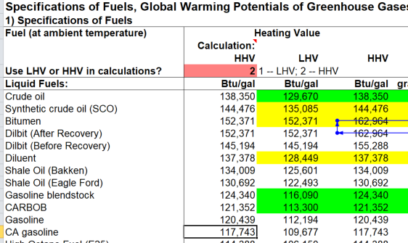
117,743 | Btu per gallon in CA gasoline per GREET 3

133,075 | Btu per gallon in low sulfur diesel from same source

